FL
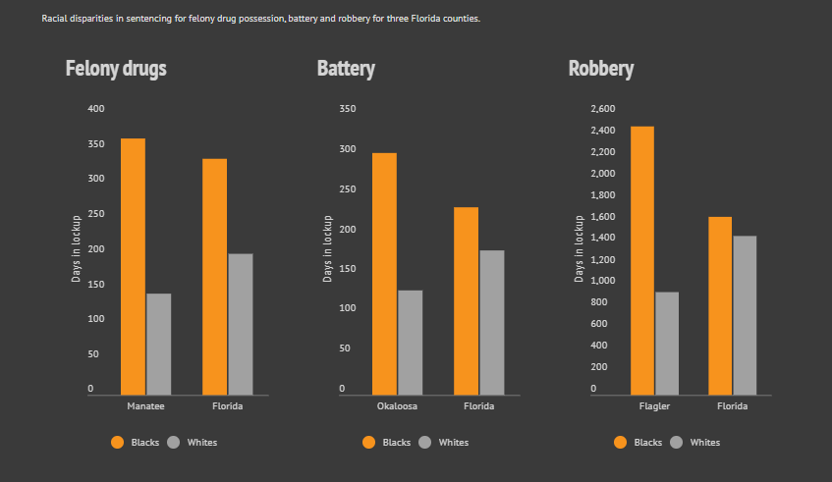
Florida Department of Corrections -- Index to Statistics and Publications (state.fl.us)
 | Need to dig through for sentencing by Race
 | Florida Department of Corrections - OBIS Public Records Requests (state.fl.us)
Social Contexts of Racial Discrimination in Sentencing | Office of Justice Programs (ojp.gov)

Jacqueline Azis: By not supplying justice data, Florida breaks the law (floridapolitics.com)
Bias on the Bench | Sarasota Herald-Tribune Media Group | Sentencing (heraldtribune.com) (Data a little old, maybe we contact the reporter to find latest source?)

GA
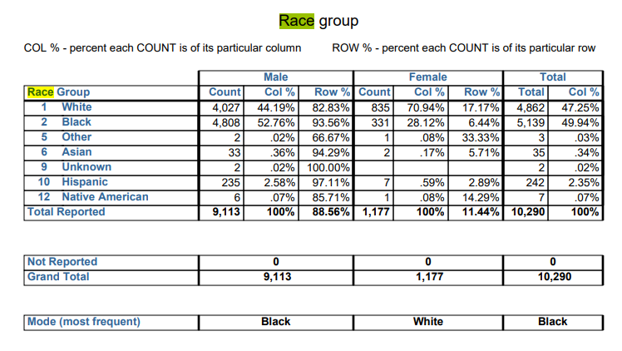
Georgia
GBI Crime Statistics Database | Georgia Bureau of Investigation

Profile_inmate_admissions_CY2020.pdf (state.ga.us)
 | This has Race, but not by Crime

